Summary & B&C (2011) comparison
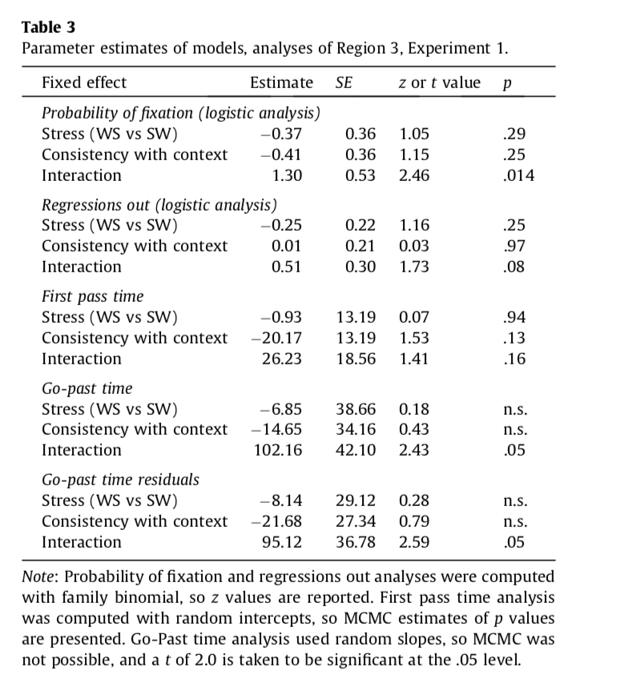
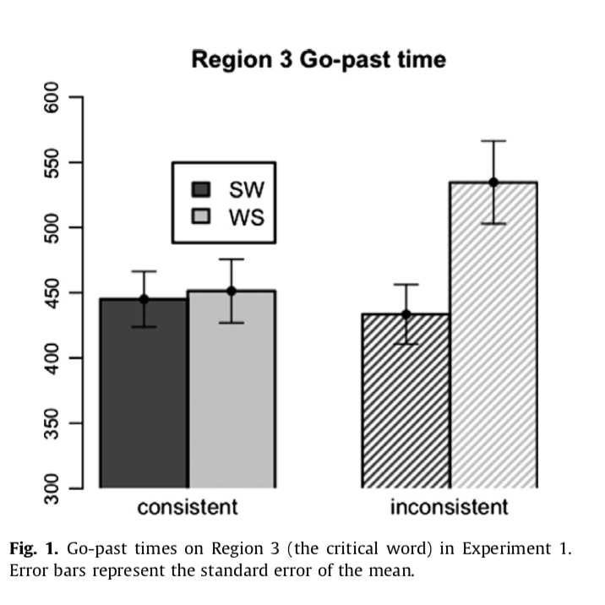
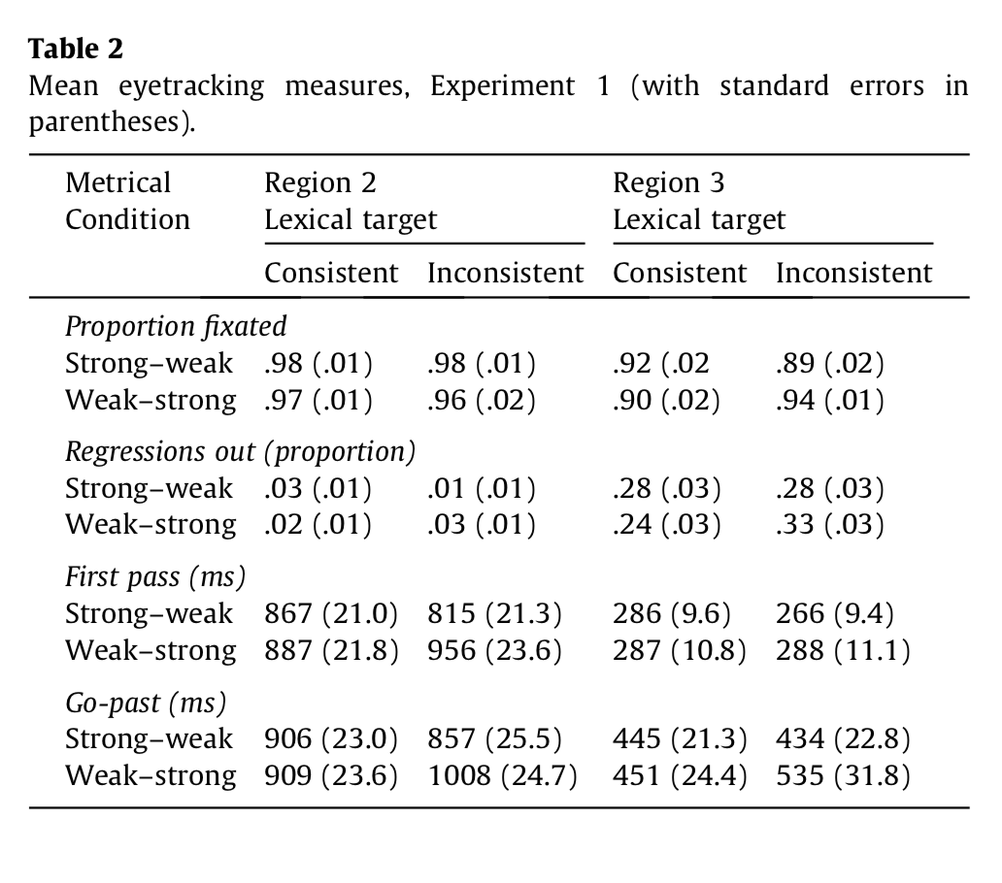
Mean eyetracking measures for the present study (with standard errors in parentheses)
2nd task | Region 2 |  | Region 3
 | match | clash | match | clash

Proportion fixated (probability)
tap | 90.1409 (1.6796) | 92.1002 (1.4771) | 58.9345 (3.5304) | 57.9643 (4.098)
this | 89.878 (2.207) | 89.8122 (1.8486) | 60.5615 (2.9857) | 57.1319 (3.6609)

Regressions out (probability)
tap | 0.081 (0.0144) | 0.0794 (0.0161) | 0.2294 (0.0211) | 0.2426 (0.0311)
this | 0.1131 (0.0191) | 0.1201 (0.0208) | 0.2837 (0.0302) | 0.2669 (0.031)

First pass (ms)
tap | 667.5721 (37.8148) | 695.5739 (34.0788) | 143.5638 (12.566) | 140.4003 (13.3473)
this | 606.367 (35.0042) | 611.8699 (31.5887) | 156.7583 (13.4872) | 130.4613 (10.2487)

Go-past (ms)
tap | 794.4816 (42.1082) | 798.1437 (37.6938) | 260.7815 (20.9485) | 301.3251 (35.7583)
this | 714.9668 (35.2965) | 753.2402 (43.3599) | 307.7245 (28.1964) | 284.7009 (25.8215)

First fixation (ms)
tap | n/a | n/a | 18.0323 (4.1076) | 19.8403 (4.4364)
this | n/a | n/a | 24.982 (6.4952) | 12.0279 (3.073)

R3 - probRegression
MEAN ProbRegression ClashType R3
probRegression |  |  |  | "probability of regressing out of a region given that it w as fixated during first pass"
SOURCE: grand mean
clashtype | secondtask | n | N | MEAN | SD | SE
 |  | 1471 | 160 | 0.2557 | 0.1808 | 0.0143

SOURCE: clashtype
clashtype | secondtask | n | N | MEAN | SD | SE
match |  | 738 | 80 | 0.2566 | 0.166 | 0.0186
clash |  | 733 | 80 | 0.2548 | 0.1955 | 0.0219

MEAN ProbRegression SecondTask R3
SOURCE: secondtask
clashtype | secondtask | n | N | MEAN | SD | SE
 | this | 768 | 80 | 0.2753 | 0.1926 | 0.0215
 | tap | 703 | 80 | 0.236 | 0.167 | 0.0187

SOURCE: clashtype secondtask
clashtype | secondtask | n | N | MEAN | SD | SE
match | this | 368 | 40 | 0.2837 | 0.1912 | 0.0302
match | tap | 370 | 40 | 0.2294 | 0.1332 | 0.0211
clash | this | 400 | 40 | 0.2669 | 0.1961 | 0.031
clash | tap | 333 | 40 | 0.2426 | 0.1966 | 0.0311

MEAN ProbRegression R3
FACTOR: | subj | clashtype | secondtask | time
LEVELS: | 40 | 2 | 2 | 160
TYPE: | RANDOM | WITHIN | WITHIN | DATA

SOURCE | SS | df | MS | F | p
mean | 10.4583 | 1 | 10.4583 | 166.165 | 0 | ***
s/ | 2.4546 | 39 | 0.0629

clashtype | 0.0001 | 1 | 0.0001 | 0.006 | 0.938
cs/ | 0.7908 | 39 | 0.0203

secondtask | 0.0618 | 1 | 0.0618 | 3.017 | 0.09
ss/ | 0.7983 | 39 | 0.0205

cs | 0.009 | 1 | 0.009 | 0.323 | 0.573
css/ | 1.0816 | 39 | 0.0277

R3 - probFixation
MEAN ProbFixation Clashtype R3
probFixation
SOURCE: grand mean
clashtype | secondtask | n | N | MEAN | SD | SE
 |  | 1471 | 160 | 58.648 | 22.5311 | 1.7812

SOURCE: clashtype
clashtype | secondtask | n | N | MEAN | SD | SE
match |  | 738 | 80 | 59.748 | 20.5627 | 2.299
clash |  | 733 | 80 | 57.5481 | 24.4224 | 2.7305

MEAN ProbFixation SecondTask R3
SOURCE: secondtask
clashtype | secondtask | n | N | MEAN | SD | SE
 | this | 768 | 80 | 58.8467 | 21.0633 | 2.3549
 | tap | 703 | 80 | 58.4494 | 24.0413 | 2.6879

SOURCE: clashtype secondtask
clashtype | secondtask | n | N | MEAN | SD | SE
match | this | 368 | 40 | 60.5615 | 18.8832 | 2.9857
match | tap | 370 | 40 | 58.9345 | 22.3284 | 3.5304
clash | this | 400 | 40 | 57.1319 | 23.1538 | 3.6609
clash | tap | 333 | 40 | 57.9643 | 25.9181 | 4.098

FACTOR: | subj | clashtype | secondtask | time
LEVELS: | 40 | 2 | 2 | 160
TYPE: | RANDOM | WITHIN | WITHIN | DATA
MEAN ProbFixation R3

SOURCE | SS | df | MS | F | p
mean | 550334.8667 | 1 | 550334.8667 | 412.363 | 0 | ***
s/ | 52048.9484 | 39 | 1334.5884

clashtype | 193.5905 | 1 | 193.5905 | 0.894 | 0.35
cs/ | 8447.5747 | 39 | 216.6045

secondtask | 6.3132 | 1 | 6.3132 | 0.023 | 0.88
ss/ | 10746.2733 | 39 | 275.5455

cs | 60.4872 | 1 | 60.4872 | 0.256 | 0.616
css/ | 9213.1533 | 39 | 236.2347

R3 - firstFixation
MEAN FirstFixation ClashType R3
firstFixation
SOURCE: grand mean
clashtype | secondtask | n | N | MEAN | SD | SE
 |  | 1471 | 160 | 18.7206 | 29.7787 | 2.3542

SOURCE: clashtype
clashtype | secondtask | n | N | MEAN | SD | SE
match |  | 738 | 80 | 21.5071 | 34.3288 | 3.8381
clash |  | 733 | 80 | 15.9341 | 24.3017 | 2.717

MEAN FirstFixation SecondTask R3
SOURCE: secondtask
clashtype | secondtask | n | N | MEAN | SD | SE
 | this | 768 | 80 | 18.505 | 32.5887 | 3.6435
 | tap | 703 | 80 | 18.9363 | 26.8821 | 3.0055

SOURCE: clashtype secondtask
clashtype | secondtask | n | N | MEAN | SD | SE
match | this | 368 | 40 | 24.982 | 41.079 | 6.4952
match | tap | 370 | 40 | 18.0323 | 25.9787 | 4.1076
clash | this | 400 | 40 | 12.0279 | 19.4354 | 3.073
clash | tap | 333 | 40 | 19.8403 | 28.0581 | 4.4364

FACTOR: | subj | clashtype | secondtask | time
LEVELS: | 40 | 2 | 2 | 160
TYPE: | RANDOM | WITHIN | WITHIN | DATA

MEAN FirstFixation R3
SOURCE | SS | df | MS | F | p
mean | 56073.939 | 1 | 56073.939 | 29.349 | 0 | ***
s/ | 74512.844 | 39 | 1910.5857

clashtype | 1242.3327 | 1 | 1242.3327 | 1242.3327 | 0.124
cs/ | 19616.245 | 39 | 502.9806

secondtask | 7.4416 | 1 | 7.4416 | 0.014 | 0.907
ss/ | 20990.2676 | 39 | 538.212

cs | 2179.2161 | 1 | 2179.2161 | 3.786 | 0.059
css/ | 22448.0055 | 39 | 575.5899

R3 - firstPass
MEAN FirstPass ClashType R3
firstPassTime |  |  | "sum of all fixation durations made from first entering to first leaving a region, eliminating trials on which no such fixations occurred"
SOURCE: grand mean
clashtype | secondtask | n | N | MEAN | SD | SE
 |  | 1471 | 160 | 142.7959 | 78.7485 | 6.2256

SOURCE: clashtype
clashtype | secondtask | n | N | MEAN | SD | SE
match |  | 738 | 80 | 150.1611 | 82.1843 | 9.1885
clash |  | 733 | 80 | 135.4308 | 74.9469 | 8.3793

SOURCE: secondtask
clashtype | secondtask | n | N | MEAN | SD | SE
 | this | 768 | 80 | 143.6098 | 76.4281 | 8.5449
MEAN FirstPass SecondTask R3
 | tap | 703 | 80 | 141.9821 | 81.4774 | 9.1094

SOURCE: clashtype secondtask
clashtype | secondtask | n | N | MEAN | SD | SE
match | this | 368 | 40 | 156.7583 | 85.3007 | 13.4872
match | tap | 370 | 40 | 143.5638 | 79.4745 | 12.566
clash | this | 400 | 40 | 130.4613 | 64.8185 | 10.2487
clash | tap | 333 | 40 | 140.4003 | 84.4157 | 13.3473

FACTOR: | subj | clashtype | secondtask | time
LEVELS: | 40 | 2 | 2 | 160
TYPE: | RANDOM | WITHIN | WITHIN | DATA

MEAN firstPass R3

SOURCE | SS | df | MS | F | p
mean | 3262507.7338 | 1 | 3262507.7338 | 178.234 | 0 | ***
s/ | 713880.6569 | 39 | 18304.6322

clashtype | 8679.2396 | 1 | 8679.2396 | 5.102 | 0.03
cs/ | 66347.8594 | 39 | 1701.2272

secondtask | 105.9754 | 1 | 105.9754 | 0.039 | 0.844
ss/ | 105333.158 | 39 | 2700.8502

cs | 5351.5718 | 1 | 5351.5718 | 2.418 | 0.128
css/ | 86313.02 | 39 | 2213.1544

R3 - goPast
MEAN GoPastTime ClashType R3
goPast |  |  | "sum of all fixation durations made from first entering a region to first leaving it to the right"
SOURCE: grand mean
clashtype | secondtask | n | N | MEAN | SD | SE
 |  | 1471 | 160 | 288.633 | 177.5506 | 14.0366

SOURCE: clashtype
clashtype | secondtask | n | N | MEAN | SD | SE
match |  | 738 | 80 | 284.253 | 157.8704 | 17.6505
clash |  | 733 | 80 | 293.013 | 196.1772 | 21.9333

MEAN GoPastTime SecondTask R3
SOURCE: secondtask
clashtype | secondtask | n | N | MEAN | SD | SE
 | this | 768 | 80 | 296.2127 | 170.2934 | 19.0394
 | tap | 703 | 80 | 281.0533 | 185.2869 | 20.7157

SOURCE: clashtype secondtask
clashtype | secondtask | n | N | MEAN | SD | SE
match | this | 368 | 40 | 307.7245 | 178.3298 | 28.1964
match | tap | 370 | 40 | 260.7815 | 132.49 | 20.9485
clash | this | 400 | 40 | 284.7009 | 163.3093 | 25.8215
clash | tap | 333 | 40 | 301.3251 | 226.1552 | 35.7583

MEAN GoPastTime R3
FACTOR: | subj | clashtype | secondtask | time
LEVELS: | 40 | 2 | 2 | 160
TYPE: | RANDOM | WITHIN | WITHIN | DATA

SOURCE | SS | df | MS | F | p
mean | 13329440.375 | 1 | 13329440.375 | 159.554 | 0 | ***
s/ | 3258129.4628 | 39 | 83541.7811

clashtype | 3069.4797 | 1 | 3069.4797 | 0.188 | 0.667
cs/ | 637826.135 | 39 | 16354.5163

secondtask | 9192.2737 | 1 | 9192.2737 | 0.736 | 0.396
ss/ | 486952.469 | 39 | 12485.9607

cs | 40407.7698 | 1 | 40407.7698 | 2.732 | 0.106
css/ | 576770.0226 | 39 | 14788.9749

R2 - probRegression
MEAN ProbRegression ClashType R2
ProbRegression R2 |  |  |  |  | "probability of regressing out of a region given that it w as fixated during first pass"
SOURCE: grand mean
clashtype | secondtask | n | N | MEAN | SD | SE
 |  | 1471 | 160 | 0.0984 | 0.1127 | 0.0089

SOURCE: clashtype
clashtype | secondtask | n | N | MEAN | SD | SE
match |  | 738 | 80 | 0.097 | 0.1074 | 0.012
clash |  | 733 | 80 | 0.0998 | 0.1185 | 0.0132

MEAN ProbRegression SecondTask R2
SOURCE: secondtask
clashtype | secondtask | n | N | MEAN | SD | SE
 | this | 768 | 80 | 0.1166 | 0.1253 | 0.014
 | tap | 703 | 80 | 0.0802 | 0.0959 | 0.0107

SOURCE: clashtype secondtask
clashtype | secondtask | n | N | MEAN | SD | SE
match | this | 368 | 40 | 0.1131 | 0.1207 | 0.0191
match | tap | 370 | 40 | 0.081 | 0.0909 | 0.0144
clash | this | 400 | 40 | 0.1201 | 0.1312 | 0.0208
clash | tap | 333 | 40 | 0.0794 | 0.1018 | 0.0161

MEAN ProbRegression R2
FACTOR: | subj | clashtype | secondtask | time
LEVELS: | 40 | 2 | 2 | 160
TYPE: | RANDOM | WITHIN | WITHIN | DATA

SOURCE | SS | df | MS | F | p
mean | 1.5494 | 1 | 1.5494 | 88.856 | 0 | ***
s/ | 0.6801 | 39 | 0.0174

clashtype | 0.0003 | 1 | 0.0003 | 0.028 | 0.869
cs/ | 0.4217 | 39 | 0.0108

secondtask | 0.053 | 1 | 0.053 | 5.063 | 0.03 | *
ss/ | 0.4084 | 39 | 0.0105

cs | 0.0007 | 1 | 0.0007 | 0.062 | 0.805
css/ | 0.456 | 39 | 0.0117

R2 - probFixation
MEAN ProbFixation Clashtype R2
probFixation R2
SOURCE: grand mean
clashtype | secondtask | n | N | MEAN | SD | SE
 |  | 1471 | 160 | 90.4828 | 11.4585 | 0.9059

SOURCE: clashtype
clashtype | secondtask | n | N | MEAN | SD | SE
match |  | 738 | 80 | 90.0094 | 12.3253 | 1.378
clash |  | 733 | 80 | 90.9562 | 10.5778 | 1.1826

MEAN ProbFixation SecondTask R2
SOURCE: secondtask
clashtype | secondtask | n | N | MEAN | SD | SE
 | this | 768 | 80 | 89.8451 | 12.7932 | 1.4303
 | tap | 703 | 80 | 91.1205 | 9.9883 | 1.1167

SOURCE: clashtype secondtask
clashtype | secondtask | n | N | MEAN | SD | SE
match | this | 368 | 40 | 89.878 | 13.9585 | 2.207
match | tap | 370 | 40 | 90.1409 | 10.6229 | 1.6796
clash | this | 400 | 40 | 89.8122 | 11.6914 | 1.8486
clash | tap | 333 | 40 | 92.1002 | 9.3421 | 1.4771

FACTOR: | subj | clashtype | secondtask | time
LEVELS: | 40 | 2 | 2 | 160
TYPE: | RANDOM | WITHIN | WITHIN | DATA
MEAN ProbFixation R2

SOURCE | SS | df | MS | F | p
mean | 1309942.5882 | 1 | 1309942.5882 | 5417.627 | 0 | ***
s/ | 9429.9154 | 39 | 241.7927

clashtype | 35.8569 | 1 | 35.8569 | 0.623 | 0.435
cs/ | 2245.7682 | 39 | 57.5838

secondtask | 65.0684 | 1 | 65.0684 | 0.748 | 0.392
ss/ | 3393.3823 | 39 | 87.0098

cs | 41.0086 | 1 | 41.0086 | 0.282 | 0.598
css/ | 5665.2553 | 39 | 145.263

R2 - firstPass
MEAN FirstPass ClashType R2
firstPass |  |  |  | "sum of all fixation durations made from first entering to first leaving a region, eliminating trials on which no such fixations occurred"
SOURCE: grand mean
clashtype | secondtask | n | N | MEAN | SD | SE
 |  | 1471 | 160 | 645.3457 | 220.5887 | 17.4391

SOURCE: clashtype
clashtype | secondtask | n | N | MEAN | SD | SE
match |  | 738 | 80 | 636.9695 | 231.0439 | 25.8315
clash |  | 733 | 80 | 653.7219 | 210.74 | 23.5614

SOURCE: secondtask
clashtype | secondtask | n | N | MEAN | SD | SE
 | this | 768 | 80 | 609.1184 | 209.5415 | 23.4275
 | tap | 703 | 80 | 681.573 | 226.6473 | 25.3399
MEAN FirstPass SecondTask R2
SOURCE: clashtype secondtask
clashtype | secondtask | n | N | MEAN | SD | SE
match | this | 368 | 40 | 606.367 | 221.3862 | 35.0042
match | tap | 370 | 40 | 667.5721 | 239.1619 | 37.8148
clash | this | 400 | 40 | 611.8699 | 199.7844 | 31.5887
clash | tap | 333 | 40 | 695.5739 | 215.5334 | 34.0788

FACTOR: | subj | clashtype | secondtask | time
LEVELS: | 40 | 2 | 2 | 160
TYPE: | RANDOM | WITHIN | WITHIN | DATA

MEAN FirstPass R2

SOURCE | SS | df | MS | F | p
mean | 66635371.42 | 1 | 66635371.42 | 560.776 | 0 | ***
s/ | 4634259.0492 | 39 | 118827.1551

clashtype | 11225.5948 | 1 | 11225.5948 | 0.445 | 0.509
cs/ | 984456.1571 | 39 | 25242.4656

secondtask | 209986.3852 | 1 | 209986.3852 | 7.995 | 0.007 | **
ss/ | 1024306.3041 | 39 | 26264.2642

cs | 5062.0122 | 1 | 5062.0122 | 0.228 | 0.636
css/ | 867546.5613 | 39 | 22244.7836

R2 - goPast
MEAN GoPastTime ClashType R2
goPast R2 |  |  |  | "sum of all fixation durations made from first entering a region to first leaving it to the right"
SOURCE: grand mean
clashtype | secondtask | n | N | MEAN | SD | SE
 |  | 1471 | 160 | 765.2081 | 251.3277 | 19.8692

SOURCE: clashtype
clashtype | secondtask | n | N | MEAN | SD | SE
match |  | 738 | 80 | 754.7242 | 247.4173 | 27.6621
clash |  | 733 | 80 | 775.6919 | 256.3063 | 28.6559

SOURCE: secondtask
clashtype | secondtask | n | N | MEAN | SD | SE
 | this | 768 | 80 | 734.1035 | 249.1948 | 27.8608
MEAN GoPastTime SecondTask R2
 | tap | 703 | 80 | 796.3127 | 251.144 | 28.0788

SOURCE: clashtype secondtask
clashtype | secondtask | n | N | MEAN | SD | SE
match | this | 368 | 40 | 714.9668 | 223.2348 | 35.2965
match | tap | 370 | 40 | 794.4816 | 266.3159 | 42.1082
clash | this | 400 | 40 | 753.2402 | 274.2323 | 43.3599
clash | tap | 333 | 40 | 798.1437 | 238.3964 | 37.6938

FACTOR: | subj | clashtype | secondtask | time
LEVELS: | 40 | 2 | 2 | 160
TYPE: | RANDOM | WITHIN | WITHIN | DATA
MEAN GoPastTime R2

SOURCE | SS | df | MS | F | p
mean | 93686941.48 | 1 | 93686941.48 | 620.311 | 0 | ***
s/ | 5890252.6206 | 39 | 151032.1185

clashtype | 17585.8261 | 1 | 17585.8261 | 0.458 | 0.503
cs/ | 1497321.9588 | 39 | 38392.8707

secondtask | 154799.4087 | 1 | 154799.4087 | 4.602 | 0.038 | *
ss/ | 1311871.225 | 39 | 33637.7237

cs | 11979.4673 | 1 | 11979.4673 | 0.403 | 0.529
css/ | 1159525.72 | 39 | 29731.4287

R2 - firstFix (do not analyze)
MEAN FirstFixation ClashType R2
firstFixation R2
SOURCE: grand mean
clashtype | secondtask | n | N | MEAN | SD | SE
 |  | 1471 | 160 | 194.3551 | 63.9253 | 5.0537

SOURCE: clashtype
clashtype | secondtask | n | N | MEAN | SD | SE
match |  | 738 | 80 | 199.9484 | 68.0194 | 7.6048
clash |  | 733 | 80 | 188.7618 | 59.4527 | 6.647

MEAN FirstFixation SecondTask R2
SOURCE: secondtask
clashtype | secondtask | n | N | MEAN | SD | SE
 | this | 768 | 80 | 190.4949 | 66.2752 | 7.4098
 | tap | 703 | 80 | 198.2153 | 61.6607 | 6.8939

SOURCE: clashtype secondtask
clashtype | secondtask | n | N | MEAN | SD | SE
match | this | 368 | 40 | 198.9362 | 69.4506 | 10.9811
match | tap | 370 | 40 | 200.9605 | 67.4272 | 10.6612
clash | this | 400 | 40 | 182.0535 | 62.6727 | 9.9094
clash | tap | 333 | 40 | 195.4701 | 56.0329 | 8.8596

FACTOR: | subj | clashtype | secondtask | time
LEVELS: | 40 | 2 | 2 | 160
TYPE: | RANDOM | WITHIN | WITHIN | DATA

MEAN FirstFixation R2
SOURCE | SS | df | MS | F | p
mean | 6043823.7813 | 1 | 6043823.7813 | 625.56 | 0 | ***
s/ | 376796.8365 | 39 | 9661.4573

clashtype | 5005.5445 | 1 | 5005.5445 | 1.909 | 0.175
cs/ | 102270.1723 | 39 | 2622.3121

secondtask | 2384.1998 | 1 | 2384.1998 | 1.176 | 0.285
ss/ | 79096.0808 | 39 | 2028.1046

cs | 1297.8584 | 1 | 1297.8584 | 0.611 | 0.439
css/ | 82894.7389 | 39 | 2125.5061

